Indices

 | Iraq Stock Exchange
 | Bulletin No (61)
 | ISX Trading Indices of Sunday 12/4/2026

 | Traded Volume and OTC |  | 785,538,912 |  | Traded Value and OTC |  | 823,743,784 |  | Traders | 1093

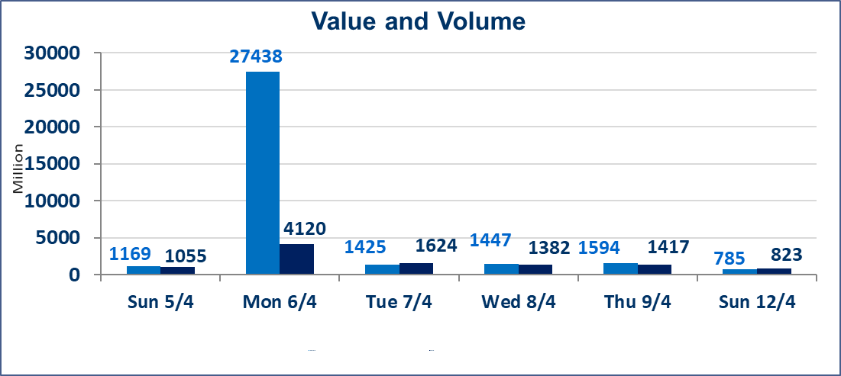
 | ISX Index 60 |  |  | 979.50 | ISX Index 15 |  |  | 1266.92
 | Previous ISX Index60 |  |  | 988.43 | Previous ISX Index15 |  |  | 1272.22
 | Change % |  |  | -0.90 | Change % |  |  | -0.42
 | Change |  |  | -8.93 | Change |  |  | -5.30

 | Listed Companies | 104 | OTC | 14 | Non Traded listed | 38 | OTC | 13
 | Traded Listed Companies | 54 | OTC | 1 | Higher Companies |  |  | 12
 | GAM Companies |  |  | 3 | Lower Companies |  |  | 15
 | Suspended Companies |  |  | 9
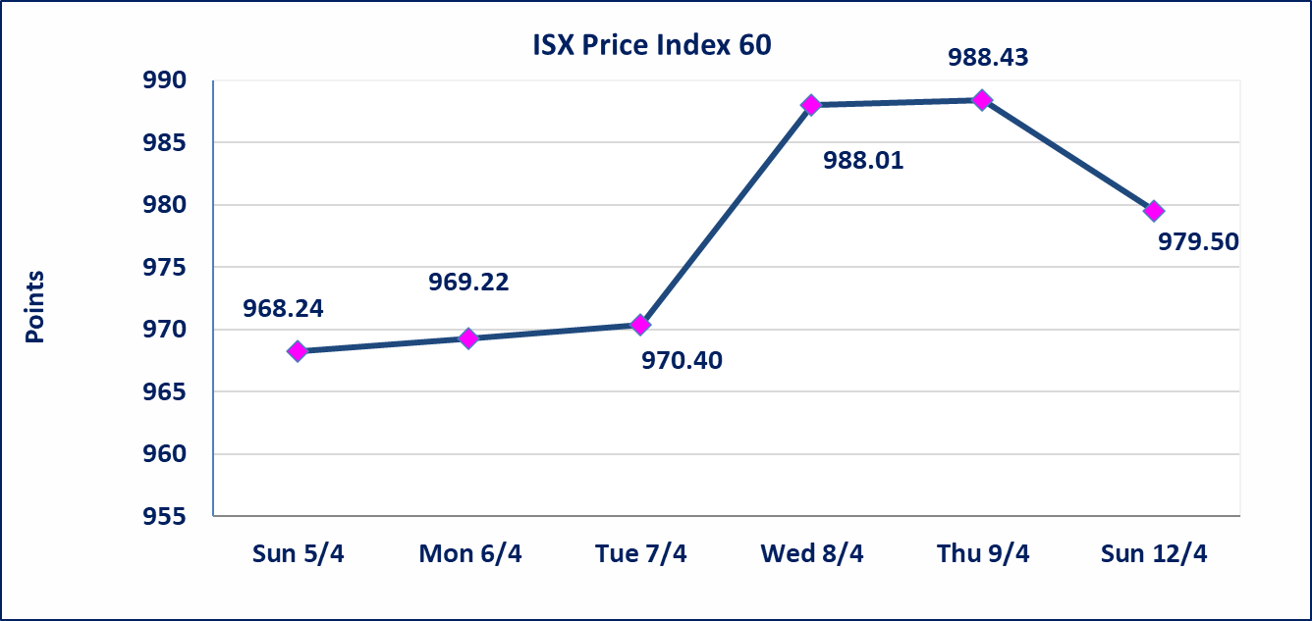
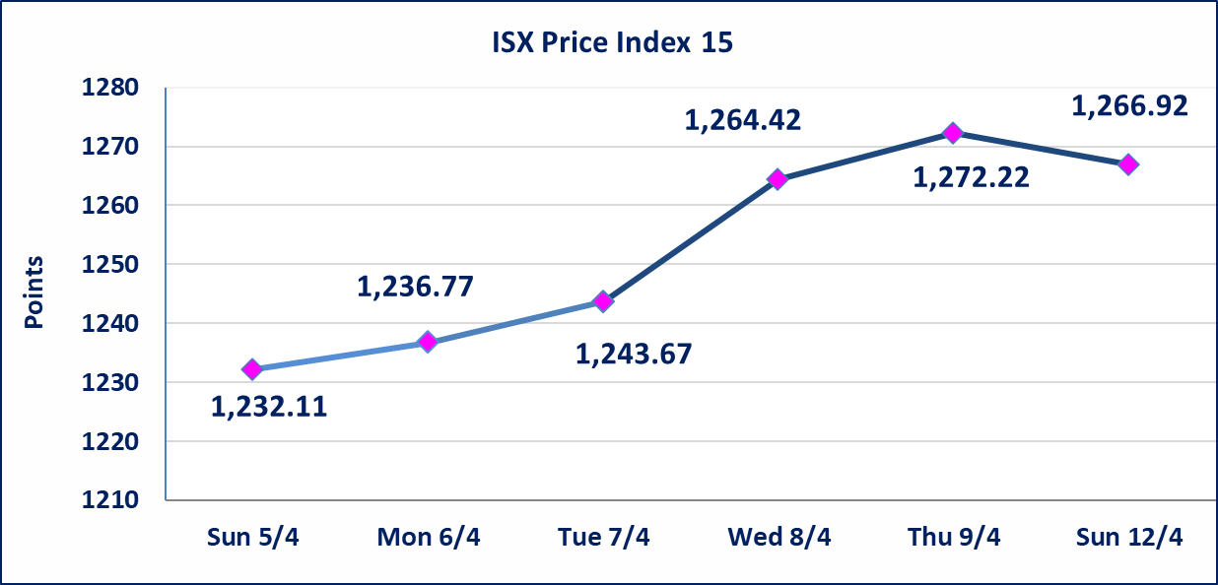

Al-Alwiya P.O . 3607 Mobile: 07711211522 - 07270094594 - 07834000034 E-mail: info-isx@isx-iq.net Web site:www.isx-iq.net

Top 5
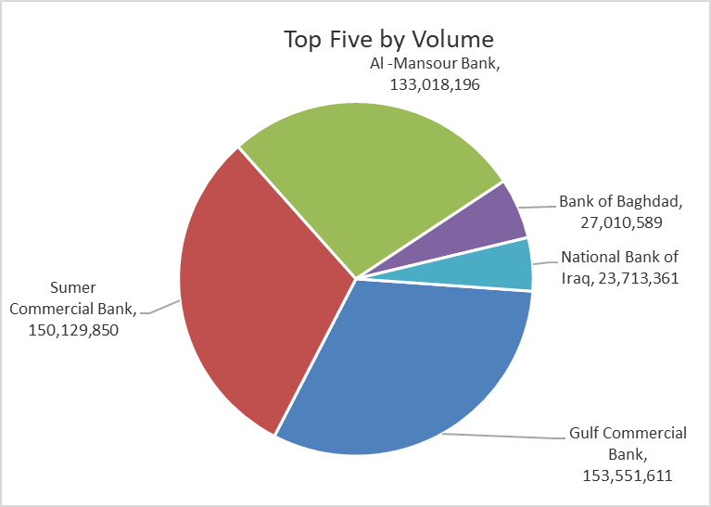
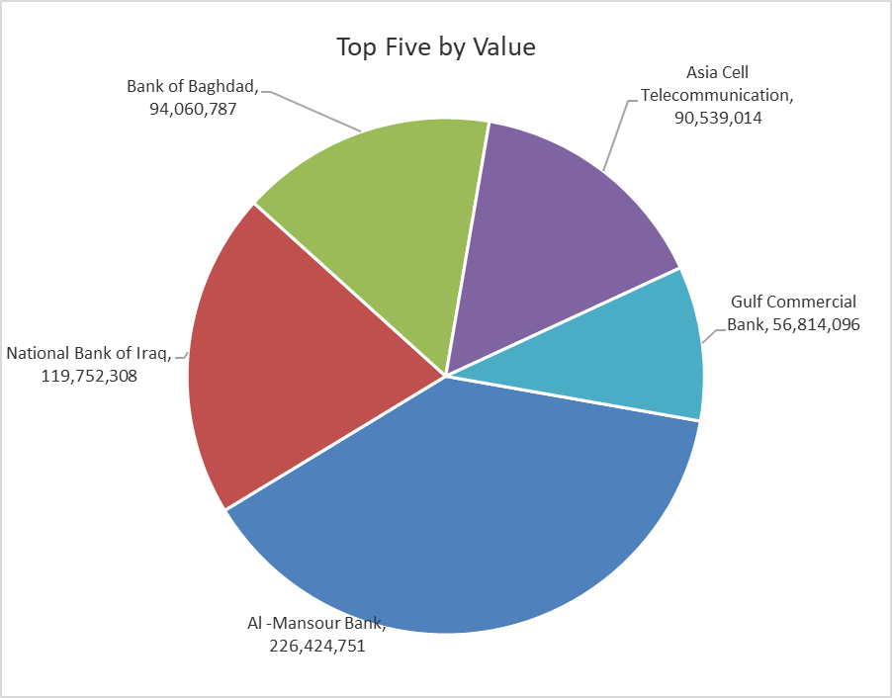

ISX top ganing and losing companies
Sunday 12/4/2026
 | Gainers |  |  |  | Losers
 | Company Name | Closing Price | Change (%) | Traded Volume | Company Name | Closing Price | Change (%) | Traded Volume
 | Iraqi Engineering Works | 5.770 | 4.91 | 10,000 | Middle East Bank | 0.080 | -11.11 | 12,066,268
 | Babil Animal & Vegetable Production | 7.990 | 4.44 | 370,959 | National Furniture Industries | 0.910 | -4.21 | 600,000
 | Al-Khatam Telecom | 3.690 | 2.22 | 449,768 | Ashur International Bank | 0.240 | -4.00 | 12,020,118
 | Tourist Village of Mosul dam | 13.800 | 1.40 | 15,775 | Al-Hamraa for Insurance | 5.340 | -3.09 | 930
 | Al-Ameen for Insurance | 0.910 | 1.11 | 55,000 | Baghdad -Iraq Transportation | 23.100 | -2.53 | 183,000
 | The most active companies in term of traded volume and value

 | Traded Volume |  |  |  | Traded Value
 | Company Name | Closing Price | Change (%) | Traded Volume | Company Name | Closing Price | Change (%) | Traded Value
 | Gulf Commercial Bank | 0.370 | 0.00 | 153,551,611 | Al -Mansour Bank | 1.710 | -1.72 | 226,424,751
 | Sumer Commercial Bank | 0.200 | 0.00 | 150,129,850 | National Bank of Iraq | 5.100 | 0.39 | 119,752,308
 | Al -Mansour Bank | 1.710 | -1.72 | 133,018,196 | Bank of Baghdad | 3.480 | -1.42 | 94,060,787
 | Bank of Baghdad | 3.480 | -1.42 | 27,010,589 | Asia Cell Telecommunication | 15.780 | -0.50 | 90,539,014
 | National Bank of Iraq | 5.100 | 0.39 | 23,713,361 | Gulf Commercial Bank | 0.370 | 0.00 | 56,814,096

Non Iraqi

Iraq Stock Exchange
Non Iraqis' Bulletin Sunday April 12 2026
Regular Market

Non Iraqi Trading of Regular Market (Buy)
Company Names | Code | No.of trades | Traded Shares | Trading Volume
Banks Sector
Gulf Commercial Bank | BGUC | 5 | 80,000,000 | 29,600,000
Total Bank sector |  | 5 | 80,000,000 | 29,600,000
Grand Total |  | 5 | 80,000,000 | 29,600,000

Non Iraqi Trading of Regular Market (Sell)
Company Names | Code | No.of trades | Traded Shares | Trading Volume
Telecommunication Sector
Asia cell | TASC | 13 | 1,000,000 | 15,710,000
Total Telecommunication sector |  | 13 | 1,000,000 | 15,710,000
Grand Total |  | 13 | 1,000,000 | 15,710,000

Not Trading Bonds

Iraq Stock Exchange
Sunday 12/4/2026
Not Trading Bonds Bulletin
Bond type | Publish type | Code | last trading price | immortilize date
Banaa Bonds /Million ID | Second | CB20 | 964,981 | 19/12/2025
Eamar Bonds /Million ID | First | CB30 | 1,001,095 | ــــــــــــــــ
Eamar Bonds /Million ID | Second | CB40 | ــــــــــــــــ | ــــــــــــــــ
Eamar Bonds /500 Thousand ID | Third | CB45 | ــــــــــــــــ | ــــــــــــــــ
Eamar Bonds /Million ID | Third | CB50 | ــــــــــــــــ | ــــــــــــــــ
Injaz Bonds /500 Thousand ID | First | CB55 | ــــــــــــــــ | ــــــــــــــــ
Injaz Bonds /Million ID | First | CB60 | ــــــــــــــــ | ــــــــــــــــ
Injaz Bonds /Million ID | Second | CB70 | 965,050 | ــــــــــــــــ
Injaz Bonds /500 Thousand ID | Third | CB75 | ــــــــــــــــ | ــــــــــــــــ
Injaz Bonds /Million ID | Third | CB80 | 978,182 | ــــــــــــــــ
National Bonds/Million ID | First | CB90 | ــــــــــــــــ | ــــــــــــــــ
National Bonds/500 Thousand ID | Second | CB95 | ــــــــــــــــ | ــــــــــــــــ
National Bonds/Million ID | Second | CB100 | ــــــــــــــــ | ــــــــــــــــ

